Overview Types of Electronics
=== Confidential ==== for internal use only; please delete this tab before sending external
Overview of Electronic Modules for Halfbridge Configurations:
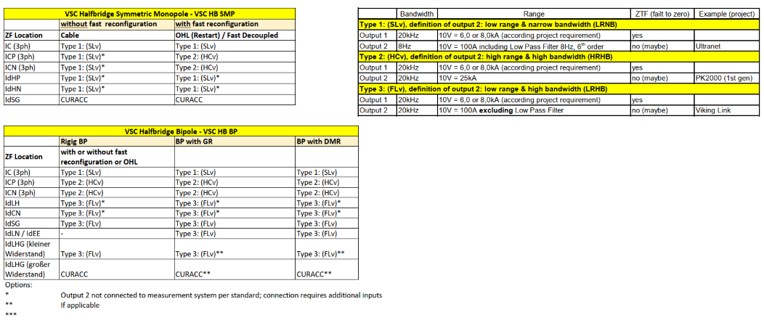

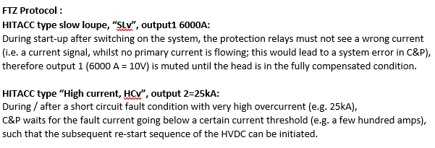

 |  | Thermischer Bemessungskurzschlussstrom (Ith)

 |  | DC Überlagerte Blitzstoßspannung | Leiter - Erde
 |  |  | Leiter - Erde
 |  | DC Überlagerte Schaltstoßspannung | Leiter - Erde
 |  |  | Leiter - Erde
 | Minimum creepage distance | Minimaler Kriechweg

 |  | Anforderungen an AC belastete (Innenraum- / Freiluftaufstellung) und DC belastete (Innenraum) Isolatorprofile (gemäß IEC 60815-2/3)

 |  | Nennstrom (1 p.u.) von Ausgang 1
 |  | Strommessbereich (2 p.u.) von Ausgang 1
 |  | Strommessbereich von Ausgang 2
 |  | Max. Überlaststrom
 |  | Keine Sättigung des Messkopfs
 |  | Type des Messkopfes
 |  | Anzahl der Messköpfe
 |  | Messsystem Daten
 |  | Elektronikmodul Typ
 |  | Ausgang 1: Übertragungsverhältnis
 |  | Ausgang 2: Übertragungsverhältnis
 |  | Impedanz am Stromausgang (zwischen 0…12 Ω)
 |  | Impedanz am Spannungsausgang (mindestens 1 kΩ)
 |  | Dynamisches Verhalten (Messsystem)
 |  | Ausgang 1:
 |  | Bandbreite (-3dB Amplitude IPr zu Imeas) siehe Anmerkung 1*)
 |  | Bandbreite (-3dB Amplitude IPr zu Imeas) siehe Anmerkung 1*) (Hersteller)
 |  | Verzögerungszeit (Totzeit)
 |  | minimale Anstiegsgeschwindigkeit
 |  | minimale Anstiegsgeschwindigkeit (Hersteller)
 |  | Ausgang 2:
 |  | Bandbreite (-3dB)
 |  | Genauigkeit (des Messsystems)
 |  | Ausgang 1:
 |  | 1) DC Offset bezogen auf den Strommessbereich
 |  | 2) DC Ablesegenauigkeit (vom Messwert)
 |  | Gesamte DC Genauigkeit
 |  | 3) Ausgangsrauschen (Spitze-Spitze) bezogen auf den Nennstrom
 |  | 4) AC Amplitudenfehler (frequenzbezogene Genauigkeit)
 |  | Gesamte AC Genauigkeit
 | Output 2 | Ausgang 2:
 |  | Zulässiger absoluter Fehler der DC Lupe / Ausgang 2
 | Permissible absolute error of output 2 / DC loupe (Manufacturer) | Zulässiger absoluter Fehler der DC Lupe / Ausgang 2 (Hersteller)
 |  | Stromversorgung (Elektronikmodul)
 |  | Nennspannung; (Unipolar / Bipolar) / (110VDC oder 220VDC)
 |  | Spannungstoleranz, Minimum
 |  | Spannungstoleranz, Maximum
 |  | Schnittstellen Daten
 |  | Schnittstellen am Elektronikmodul
 |  | Schnittstelle am Messkopf
 |  | Erforderliche Länge der Verbindungskabel
 |  | Verbindungskabeltyp
 |  | Mechanische Daten
 |  | Maximal zulässige Kräfte an Primäranschlüssen, statisch
 |  | Maximal zulässige Kräfte an Primäranschlüssen, dynamisch
 |  | Vorortprüfung des Gasdichtewächtes ohne Demontage möglich
 |  | Projektspezifische Daten
 |  | Wartungsintervall

 |  | Maximale Umgebungstemperatur
 | Quantities | Mengen
 |  | Hauptlieferung
 |  |  | benötigte Elektronikmodule
 |  | Ersatzteile
 |  |  | benötigte Elektronikmodule
 | Head shorting plug (at Measuring Head) | Kurzschlussstecker (Messkopf) | nur für HITACC
 | Short ciruit socket (for EM exchange) | Kurzschlussbuchse (für EM Tausch) | nur für HITACC
 | Note 1*) IPr 100% Amplitude for 0…500 Hz; De-rate IPr inversely proportional to 5% at 10 kHz and higher | Notiz 1*) IPr 100% Amplitude f+r 0…500 Hz; Herabstufung von Ipr, umgekehrt proportional ab 5% bei 10 kHz und höher

GA Bipole Overview
=== Confidential ==== for internal use only; please delete this tab before sending external
GA Bipole Overview:
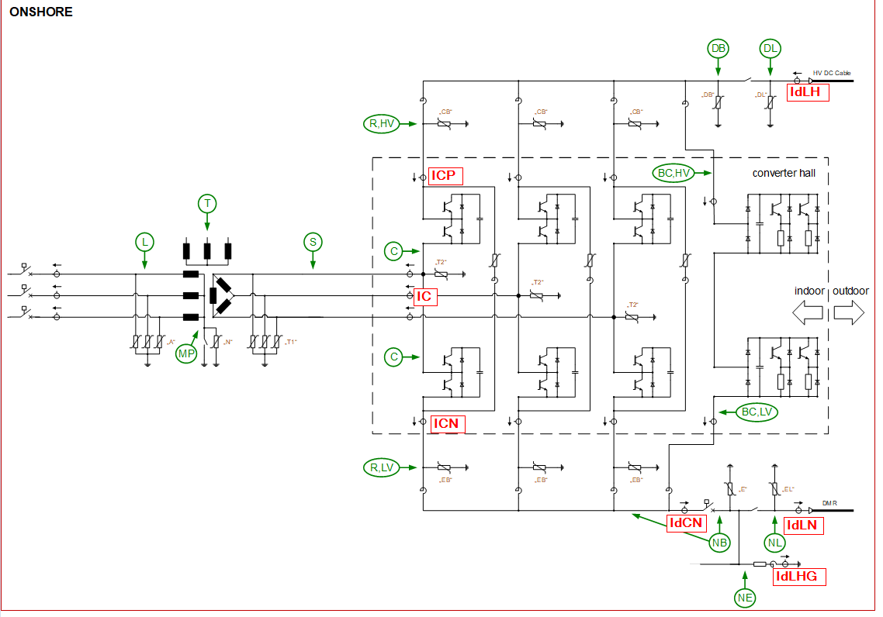

 |  | Thermischer Bemessungskurzschlussstrom (Ith)

 |  | DC Überlagerte Blitzstoßspannung | Leiter - Erde
 |  |  | Leiter - Erde
 |  | DC Überlagerte Schaltstoßspannung | Leiter - Erde
 |  |  | Leiter - Erde
 | Minimum creepage distance | Minimaler Kriechweg

 |  | Anforderungen an AC belastete (Innenraum- / Freiluftaufstellung) und DC belastete (Innenraum) Isolatorprofile (gemäß IEC 60815-2/3)

 |  | Nennstrom (1 p.u.) von Ausgang 1
 |  | Strommessbereich (2 p.u.) von Ausgang 1
 |  | Strommessbereich von Ausgang 2
 |  | Max. Überlaststrom
 |  | Keine Sättigung des Messkopfs
 |  | Type des Messkopfes
 |  | Anzahl der Messköpfe
 |  | Messsystem Daten
 |  | Elektronikmodul Typ
 |  | Ausgang 1: Übertragungsverhältnis
 |  | Ausgang 2: Übertragungsverhältnis
 |  | Impedanz am Stromausgang (zwischen 0…12 Ω)
 |  | Impedanz am Spannungsausgang (mindestens 1 kΩ)
 |  | Dynamisches Verhalten (Messsystem)
 |  | Ausgang 1:
 |  | Bandbreite (-3dB Amplitude IPr zu Imeas) siehe Anmerkung 1*)
 |  | Bandbreite (-3dB Amplitude IPr zu Imeas) siehe Anmerkung 1*) (Hersteller)
 |  | Verzögerungszeit (Totzeit)
 |  | minimale Anstiegsgeschwindigkeit
 |  | minimale Anstiegsgeschwindigkeit (Hersteller)
 |  | Ausgang 2:
 |  | Bandbreite (-3dB)
 |  | Genauigkeit (des Messsystems)
 |  | Ausgang 1:
 |  | 1) DC Offset bezogen auf den Strommessbereich
 |  | 2) DC Ablesegenauigkeit (vom Messwert)
 |  | Gesamte DC Genauigkeit
 |  | 3) Ausgangsrauschen (Spitze-Spitze) bezogen auf den Nennstrom
 |  | 4) AC Amplitudenfehler (frequenzbezogene Genauigkeit)
 |  | Gesamte AC Genauigkeit
 | Output 2 | Ausgang 2:
 |  | Zulässiger absoluter Fehler der DC Lupe / Ausgang 2
 | Permissible absolute error of output 2 / DC loupe (Manufacturer) | Zulässiger absoluter Fehler der DC Lupe / Ausgang 2 (Hersteller)
 |  | Stromversorgung (Elektronikmodul)
 |  | Nennspannung; (Unipolar / Bipolar) / (110VDC oder 220VDC)
 |  | Spannungstoleranz, Minimum
 |  | Spannungstoleranz, Maximum
 |  | Schnittstellen Daten
 |  | Schnittstellen am Elektronikmodul
 |  | Schnittstelle am Messkopf
 |  | Erforderliche Länge der Verbindungskabel
 |  | Verbindungskabeltyp
 |  | Mechanische Daten
 |  | Maximal zulässige Kräfte an Primäranschlüssen, statisch
 |  | Maximal zulässige Kräfte an Primäranschlüssen, dynamisch
 |  | Vorortprüfung des Gasdichtewächtes ohne Demontage möglich
 |  | Projektspezifische Daten
 |  | Wartungsintervall

 |  | Maximale Umgebungstemperatur
 | Quantities | Mengen
 |  | Hauptlieferung
 |  |  | benötigte Elektronikmodule
 |  | Ersatzteile
 |  |  | benötigte Elektronikmodule
 | Head shorting plug (at Measuring Head) | Kurzschlussstecker (Messkopf) | nur für HITACC
 | Short ciruit socket (for EM exchange) | Kurzschlussbuchse (für EM Tausch) | nur für HITACC
 | Note 1*) IPr 100% Amplitude for 0…500 Hz; De-rate IPr inversely proportional to 5% at 10 kHz and higher | Notiz 1*) IPr 100% Amplitude f+r 0…500 Hz; Herabstufung von Ipr, umgekehrt proportional ab 5% bei 10 kHz und höher

Rigid Bipole Overview
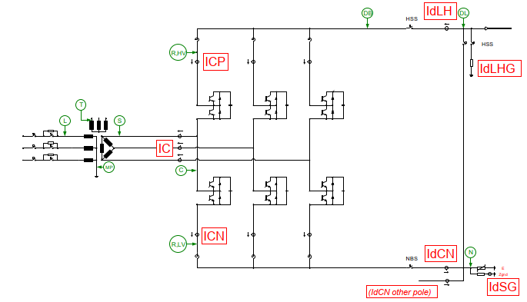
=== Confidential ==== for internal use only; please delete this tab before sending external
Rigid Bipole Overview:

Symm Monopole Overview
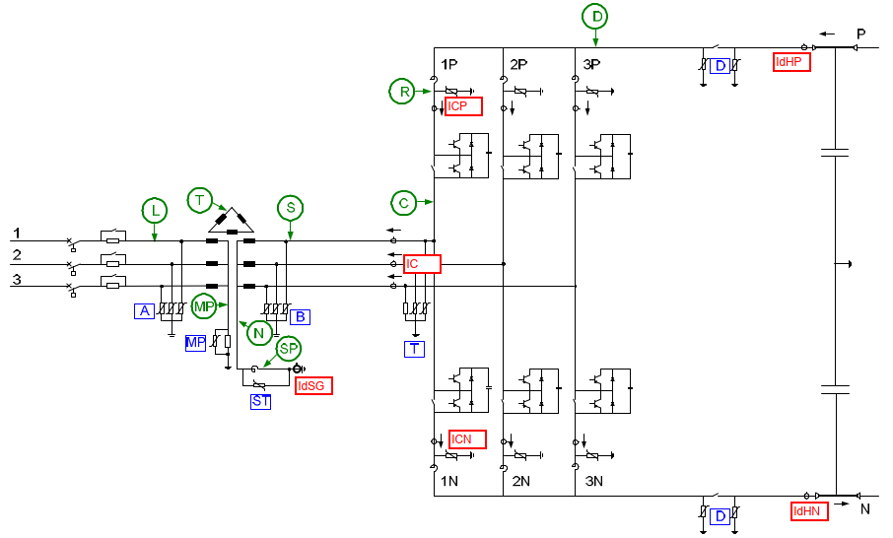
=== Confidential ==== for internal use only; please delete this tab before sending external
Symm Monopole Overview:

